Sheet1
AMDS 콘솔형 FAN Speed 특성 곡선 |  |  |  |  | 2025.01.15

 | step | duty ratio(%) | speed(rpm) 계산값 | speed(rpm) 측정치
 | 1 | 10 | 520 | 349
 | 2 | 20 | 1040 | 1230
 | 3 | 30 | 1560 | 1864
 | 4 | 40 | 2080 | 2408
 | 5 | 50 | 2600 | 2899
 | 6 | 60 | 3120 | 3335
 | 7 | 70 | 3640 | 3792
 | 8 | 80 | 4160 | 4205
 | 9 | 90 | 4680 | 5232
 | 10 | 100 | 5200 | 5231

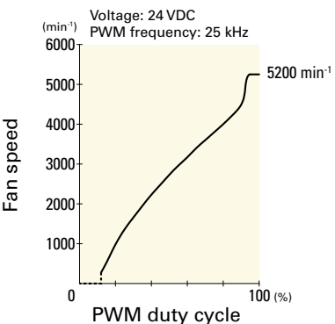

 | [Console Status Packet]

 | //0%
 | > FAN1_bit[0](3,2,1) = 111(0 0 0)
 | > FAN2_bit[0](6,5,4) = 111(0 0 0)

 | //10%
 | > FAN1_bit[1](3,2,1) = 111(349 400 440)
 | > FAN2_bit[1](6,5,4) = 000(2906 1061 1164)

 | //15%
 | > FAN1_bit[1](3,2,1) = 111(845 940 944)
 | > FAN2_bit[1](6,5,4) = 111(904 836 882)

 | //20%
 | > FAN1_bit[2](3,2,1) = 000(1230 1341 1345)
 | > FAN2_bit[2](6,5,4) = 000(1318 1246 1303)

 | //30%
 | > FAN1_bit[3](3,2,1) = 000(1864 1979 1970)
 | > FAN2_bit[3](6,5,4) = 000(1961 1905 1980)

 | //40%
 | > FAN1_bit[4](3,2,1) = 000(2408 2531 2526)
 | > FAN2_bit[4](6,5,4) = 000(2528 2471 2588)

 | //50%
 | > FAN1_bit[5](3,2,1) = 000(2899 3052 3019)
 | > FAN2_bit[5](6,5,4) = 000(3046 2976 2070)

 | //60%
 | > FAN1_bit[6](3,2,1) = 000(3335 3507 3458)
 | > FAN2_bit[6](6,5,4) = 000(3505 3459 3541)

 | > FAN1_bit[7](3,2,1) = 000(3792 3911 3912)
 | > FAN2_bit[7](6,5,4) = 000(3919 3883 3930)

 | //70%
 | > FAN1_bit[8](3,2,1) = 000(4205 4326 4336)
 | > FAN2_bit[8](6,5,4) = 000(4319 4340 4384)

 | //80%
 | > FAN1_bit[9](3,2,1) = 000(5232 5349 5336)
 | > FAN2_bit[9](6,5,4) = 000(5389 5425 5485)

 | //90%
 | > FAN1_bit[10](3,2,1) = 000(5231 5371 5350)
 | > FAN2_bit[10](6,5,4) = 000(5395 5414 5442)

